Sheet1
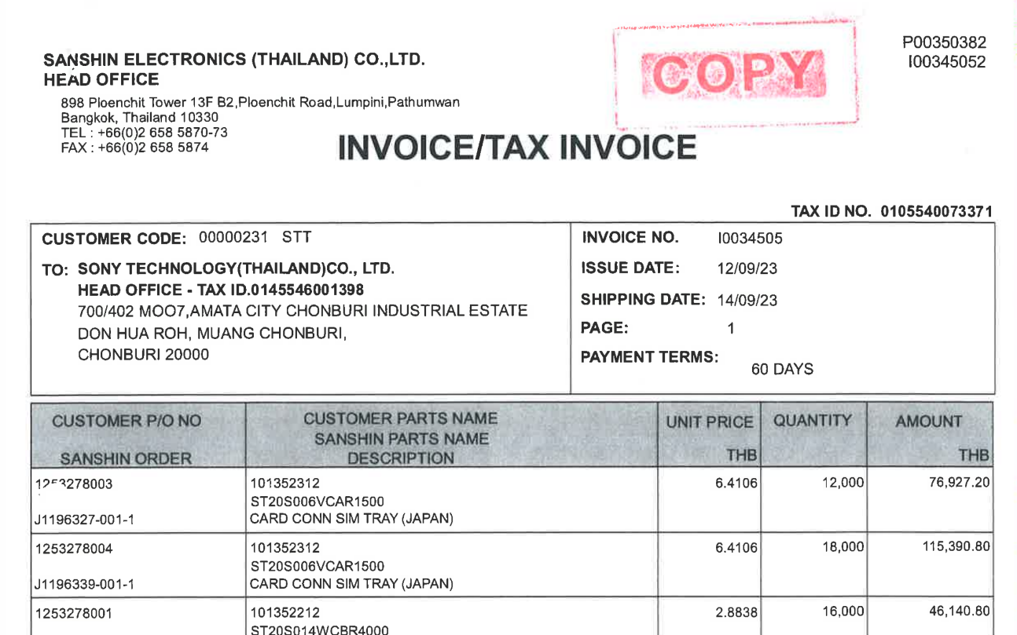

INVOICE_NO

UNIT_PRICE
AMOUNT
ITEM_NO
QTY

PO_NO

